General info
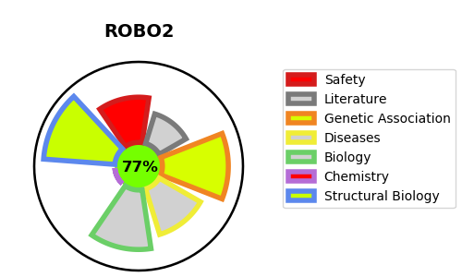
Gene_name | ROBO2 | Tractable | Tractability_probability
Synonyms | KIAA1568 | True | 77.21
Target_id | Q9HCK4 | In Training data set ?
Protein_class |  | No
Protein_class_desc
Species | Homo sapiens (Human).
Number_isoforms | 3

DISEASE |  | PATHWAYS
disease_id | disease_name | Reactome | KEGG
OMIM:610878 | VESICOURETERAL REFLUX 2 | Axon guidance
 |  | Developmental Biology
 |  | Nervous system development
 |  | ROBO receptors bind AKAP5
 |  | Regulation of commissural axon pathfinding by SLIT and ROBO
 |  | Regulation of cortical dendrite branching
 |  | Regulation of expression of SLITs and ROBOs
 |  | Signaling by ROBO receptors

