General info
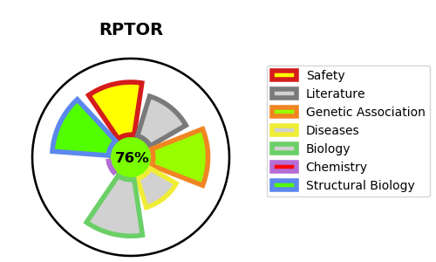
Gene_name | RPTOR | Tractable | Tractability_probability
Synonyms | KIAA1303,RAPTOR,RPTOR,Raptor,Regulatory-associated protein of mTOR,p150 target of rapamycin (TOR)-scaffold protein | True | 76.28
Target_id | Q8N122 | In Training data set ?
Protein_class | Unclassified protein | Yes
Protein_class_desc | unclassified
Species | Homo sapiens (Human).
Number_isoforms | 3

DISEASE |  | PATHWAYS
disease_id | disease_name | Reactome | KEGG
 |  | Amino acids regulate mTORC1
 |  | Autophagy
 |  | Cellular response to heat stress
 |  | Cellular responses to external stimuli
 |  | Cellular responses to stress
 |  | Energy dependent regulation of mTOR by LKB1-AMPK
 |  | Gene expression (Transcription)
 |  | Generic Transcription Pathway
 |  | HSF1-dependent transactivation
 |  | Intracellular signaling by second messengers
 |  | MTOR signalling
 |  | Macroautophagy
 |  | PIP3 activates AKT signaling
 |  | PTEN Regulation
 |  | RNA Polymerase II Transcription
 |  | Regulation of PTEN gene transcription
 |  | Signal Transduction
 |  | TP53 Regulates Metabolic Genes
 |  | Transcriptional Regulation by TP53
 |  | mTORC1-mediated signalling

