General info
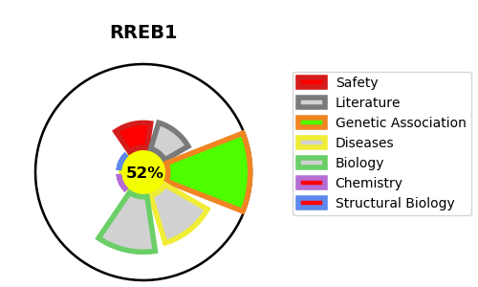
Gene_name | RREB1 | Tractable | Tractability_probability
Synonyms | FINB | True | 52.52
Target_id | Q92766 | In Training data set ?
Protein_class |  | No
Protein_class_desc
Species | Homo sapiens (Human).
Number_isoforms | 6

DISEASE |  | PATHWAYS
disease_id | disease_name | Reactome | KEGG

