General info
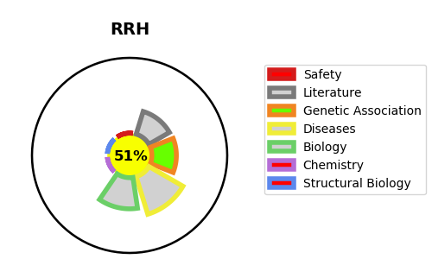
Gene_name | RRH | Tractable | Tractability_probability
Synonyms | Not found | True | 51.46
Target_id | O14718 | In Training data set ?
Protein_class |  | No
Protein_class_desc
Species | Homo sapiens (Human).
Number_isoforms | 0

DISEASE |  | PATHWAYS
disease_id | disease_name | Reactome | KEGG
 |  | Class A/1 (Rhodopsin-like receptors)
 |  | G alpha (i) signalling events
 |  | GPCR downstream signalling
 |  | GPCR ligand binding
 |  | Opsins
 |  | Signal Transduction
 |  | Signaling by GPCR

