General info
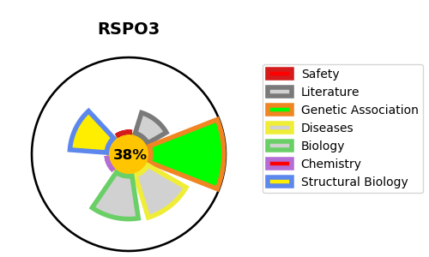
Gene_name | RSPO3 | Tractable | Tractability_probability
Synonyms | PWTSR, THSD2 | False | 38.8
Target_id | Q9BXY4 | In Training data set ?
Protein_class |  | No
Protein_class_desc
Species | Homo sapiens (Human).
Number_isoforms | 2

DISEASE |  | PATHWAYS
disease_id | disease_name | Reactome | KEGG
 |  | Gene expression (Transcription)
 |  | Generic Transcription Pathway
 |  | RNA Polymerase II Transcription
 |  | RUNX1 regulates transcription of genes involved in WNT signaling
 |  | Regulation of FZD by ubiquitination
 |  | Signal Transduction
 |  | Signaling by WNT
 |  | TCF dependent signaling in response to WNT
 |  | Transcriptional regulation by RUNX1

