General info
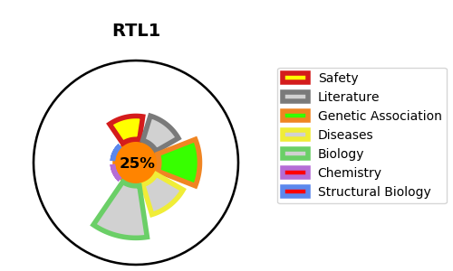
Gene_name | RTL1 | Tractable | Tractability_probability
Synonyms | MAR1, MART1, PEG11 | False | 25.96
Target_id | A6NKG5 | In Training data set ?
Protein_class |  | No
Protein_class_desc
Species | Homo sapiens (Human).
Number_isoforms | 0

DISEASE |  | PATHWAYS
disease_id | disease_name | Reactome | KEGG

