General info
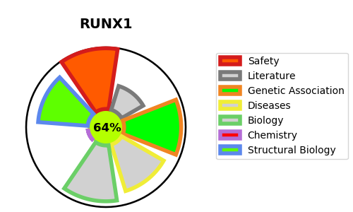
Gene_name | RUNX1 | Tractable | Tractability_probability
Synonyms | AML1, CBFA2 | True | 64.79
Target_id | Q01196 | In Training data set ?
Protein_class |  | No
Protein_class_desc
Species | Homo sapiens (Human).
Number_isoforms | 11

DISEASE |  | PATHWAYS
disease_id | disease_name | Reactome | KEGG
OMIM:601399 | PLATELET DISORDER, FAMILIAL, WITH ASSOCIATED MYELOID MALIGNANCY | Developmental Biology
OMIM:601626 | LEUKEMIA, ACUTE MYELOID | ESR-mediated signaling
 |  | Estrogen-dependent gene expression
 |  | Gene expression (Transcription)
 |  | Generic Transcription Pathway
 |  | Organic cation transport
 |  | Organic cation/anion/zwitterion transport
 |  | Pre-NOTCH Expression and Processing
 |  | Pre-NOTCH Transcription and Translation
 |  | RNA Polymerase II Transcription
 |  | RUNX1 and FOXP3 control the development of regulatory T lymphocytes (Tregs)
 |  | RUNX1 interacts with co-factors whose precise effect on RUNX1 targets is not known
 |  | RUNX1 regulates estrogen receptor mediated transcription
 |  | RUNX1 regulates expression of components of tight junctions
 |  | RUNX1 regulates genes involved in megakaryocyte differentiation and platelet function
 |  | RUNX1 regulates transcription of genes involved in BCR signaling
 |  | RUNX1 regulates transcription of genes involved in WNT signaling
 |  | RUNX1 regulates transcription of genes involved in differentiation of HSCs
 |  | RUNX1 regulates transcription of genes involved in differentiation of keratinocytes
 |  | RUNX1 regulates transcription of genes involved in differentiation of myeloid cells
 |  | RUNX1 regulates transcription of genes involved in interleukin signaling
 |  | RUNX2 regulates genes involved in differentiation of myeloid cells
 |  | RUNX3 regulates p14-ARF
 |  | Regulation of RUNX1 Expression and Activity
 |  | SLC-mediated transmembrane transport
 |  | Signal Transduction
 |  | Signaling by NOTCH
 |  | Signaling by Nuclear Receptors
 |  | Transcriptional regulation by RUNX1
 |  | Transcriptional regulation by RUNX2
 |  | Transcriptional regulation by RUNX3
 |  | Transcriptional regulation of granulopoiesis
 |  | Transport of bile salts and organic acids, metal ions and amine compounds
 |  | Transport of small molecules

