General info
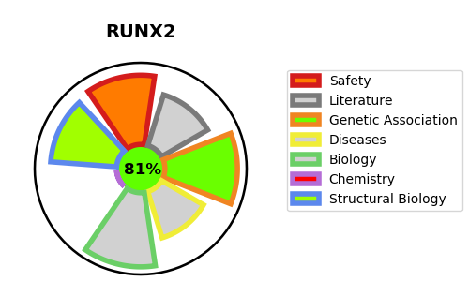
Gene_name | RUNX2 | Tractable | Tractability_probability
Synonyms | AML3, CBFA1, OSF2, PEBP2A | True | 81.35
Target_id | Q13950 | In Training data set ?
Protein_class |  | No
Protein_class_desc
Species | Homo sapiens (Human).
Number_isoforms | 3

DISEASE |  | PATHWAYS
disease_id | disease_name | Reactome | KEGG
OMIM:119600 | CLEIDOCRANIAL DYSPLASIA | Gene expression (Transcription)
OMIM:156510 | METAPHYSEAL DYSPLASIA WITH MAXILLARY HYPOPLASIA WITH OR WITHOUT BRACHYDACTYLY | Generic Transcription Pathway
 |  | RNA Polymerase II Transcription
 |  | RUNX1 regulates transcription of genes involved in differentiation of myeloid cells
 |  | RUNX2 regulates bone development
 |  | RUNX2 regulates chondrocyte maturation
 |  | RUNX2 regulates genes involved in cell migration
 |  | RUNX2 regulates genes involved in differentiation of myeloid cells
 |  | RUNX2 regulates osteoblast differentiation
 |  | Regulation of RUNX2 expression and activity
 |  | Transcriptional regulation by RUNX1
 |  | Transcriptional regulation by RUNX2
 |  | YAP1- and WWTR1 (TAZ)-stimulated gene expression

