General info
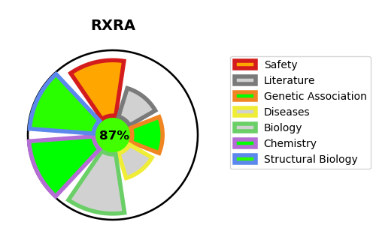
Gene_name | RXRA | Tractable | Tractability_probability
Synonyms | NR2B1,Nuclear receptor subfamily 2 group B member 1,RXRA,Retinoic acid receptor RXR-alpha,Retinoid X receptor alpha | True | 87.1
Target_id | P19793 | In Training data set ?
Protein_class | Nuclear hormone receptor subfamily 2 group B member 1 | No
Protein_class_desc | transcription factor -> nuclear receptor -> nr2 -> nr2b -> nr2b1
Species | Homo sapiens (Human).
Number_isoforms | 2

DISEASE |  | PATHWAYS
disease_id | disease_name | Reactome | KEGG
 |  | Activation of HOX genes during differentiation
 |  | Activation of anterior HOX genes in hindbrain development during early embryogenesis
 |  | Activation of gene expression by SREBF (SREBP)
 |  | BMAL1:CLOCK,NPAS2 activates circadian gene expression
 |  | Bile acid and bile salt metabolism
 |  | Biological oxidations
 |  | Carnitine metabolism
 |  | Circadian Clock
 |  | Cytochrome P450 - arranged by substrate type
 |  | Developmental Biology
 |  | Endogenous sterols
 |  | Fatty acid metabolism
 |  | Gene expression (Transcription)
 |  | Generic Transcription Pathway
 |  | Metabolism
 |  | Metabolism of lipids
 |  | Metabolism of proteins
 |  | Metabolism of steroids
 |  | Mitochondrial biogenesis
 |  | NR1H2 & NR1H3 regulate gene expression linked to gluconeogenesis
 |  | NR1H2 & NR1H3 regulate gene expression linked to lipogenesis
 |  | NR1H2 & NR1H3 regulate gene expression linked to triglyceride lipolysis in adipose
 |  | NR1H2 & NR1H3 regulate gene expression to control bile acid homeostasis
 |  | NR1H2 & NR1H3 regulate gene expression to limit cholesterol uptake
 |  | NR1H2 and NR1H3-mediated signaling
 |  | NR1H3 & NR1H2 regulate gene expression linked to cholesterol transport and efflux
 |  | Nuclear Receptor transcription pathway
 |  | Organelle biogenesis and maintenance
 |  | PPARA activates gene expression
 |  | Phase I - Functionalization of compounds
 |  | Post-translational protein modification
 |  | Pyruvate metabolism
 |  | Pyruvate metabolism and Citric Acid (TCA) cycle
 |  | RNA Polymerase II Transcription
 |  | RORA activates gene expression
 |  | Recycling of bile acids and salts
 |  | Regulation of cholesterol biosynthesis by SREBP (SREBF)
 |  | Regulation of lipid metabolism by PPARalpha
 |  | Regulation of pyruvate dehydrogenase (PDH) complex
 |  | SUMO E3 ligases SUMOylate target proteins
 |  | SUMOylation
 |  | SUMOylation of intracellular receptors
 |  | Signal Transduction
 |  | Signaling by Nuclear Receptors
 |  | Signaling by Retinoic Acid
 |  | Synthesis of bile acids and bile salts
 |  | Synthesis of bile acids and bile salts via 27-hydroxycholesterol
 |  | Synthesis of bile acids and bile salts via 7alpha-hydroxycholesterol
 |  | The citric acid (TCA) cycle and respiratory electron transport
 |  | Transcriptional activation of mitochondrial biogenesis
 |  | Transcriptional regulation of granulopoiesis
 |  | Transcriptional regulation of white adipocyte differentiation

