General info
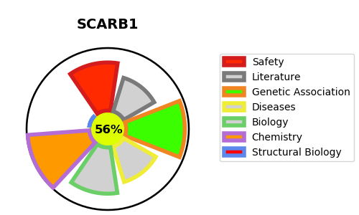
Gene_name | SCARB1 | Tractable | Tractability_probability
Synonyms | CD36 and LIMPII analogous 1,CD36 antigen-like 1,CD36L1,CD_antigen=CD36,CLA-1,CLA1,Collagen type I receptor, thrombospondin receptor-like 1,SCARB1,SR-BI,SRB1,Scavenger receptor class B member 1 | True | 56.7
Target_id | Q8WTV0 | In Training data set ?
Protein_class | Unclassified protein | No
Protein_class_desc | unclassified
Species | Homo sapiens (Human).
Number_isoforms | 5

DISEASE |  | PATHWAYS
disease_id | disease_name | Reactome | KEGG
OMIM:610762 | HIGH DENSITY LIPOPROTEIN CHOLESTEROL LEVEL QUANTITATIVE TRAIT LOCUS 6 | Binding and Uptake of Ligands by Scavenger Receptors
 |  | HDL clearance
 |  | Plasma lipoprotein assembly, remodeling, and clearance
 |  | Plasma lipoprotein clearance
 |  | Scavenging by Class B Receptors
 |  | Transport of small molecules
 |  | Vesicle-mediated transport

