General info
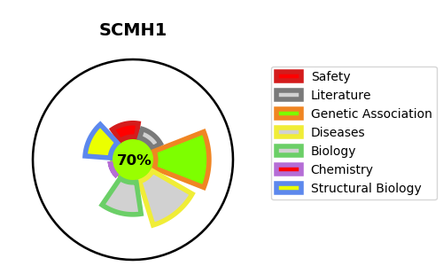
Gene_name | SCMH1 | Tractable | Tractability_probability
Synonyms | Not found | True | 70.18
Target_id | Q96GD3 | In Training data set ?
Protein_class |  | No
Protein_class_desc
Species | Homo sapiens (Human).
Number_isoforms | 6

DISEASE |  | PATHWAYS
disease_id | disease_name | Reactome | KEGG
 |  | Cellular Senescence
 |  | Cellular responses to external stimuli
 |  | Cellular responses to stress
 |  | Gene expression (Transcription)
 |  | Generic Transcription Pathway
 |  | Intracellular signaling by second messengers
 |  | Metabolism of proteins
 |  | Oxidative Stress Induced Senescence
 |  | PIP3 activates AKT signaling
 |  | PTEN Regulation
 |  | Post-translational protein modification
 |  | RNA Polymerase II Transcription
 |  | RUNX1 interacts with co-factors whose precise effect on RUNX1 targets is not known
 |  | Regulation of PTEN gene transcription
 |  | SUMO E3 ligases SUMOylate target proteins
 |  | SUMOylation
 |  | SUMOylation of DNA damage response and repair proteins
 |  | SUMOylation of DNA methylation proteins
 |  | SUMOylation of RNA binding proteins
 |  | SUMOylation of chromatin organization proteins
 |  | SUMOylation of transcription cofactors
 |  | Signal Transduction
 |  | Transcriptional regulation by RUNX1

