General info
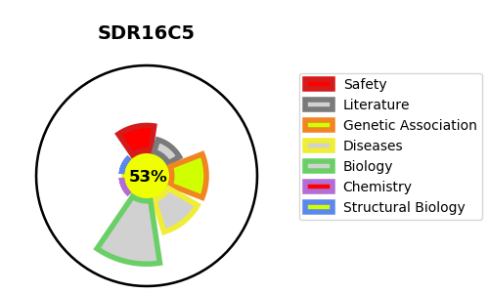
Gene_name | SDR16C5 | Tractable | Tractability_probability
Synonyms | RDHE2 | True | 53.23
Target_id | Q8N3Y7 | In Training data set ?
Protein_class |  | No
Protein_class_desc
Species | Homo sapiens (Human).
Number_isoforms | 2

DISEASE |  | PATHWAYS
disease_id | disease_name | Reactome | KEGG
 |  | RA biosynthesis pathway
 |  | Signal Transduction
 |  | Signaling by Nuclear Receptors
 |  | Signaling by Retinoic Acid

