General info
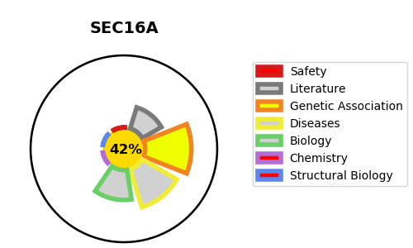
Gene_name | SEC16A | Tractable | Tractability_probability
Synonyms | KIAA0310,Protein transport protein Sec16A,SEC16,SEC16 homolog A,SEC16A,SEC16L,p250 | False | 42.87
Target_id | O15027 | In Training data set ?
Protein_class | Unclassified protein | No
Protein_class_desc | unclassified
Species | Homo sapiens (Human).
Number_isoforms | 5

DISEASE |  | PATHWAYS
disease_id | disease_name | Reactome | KEGG
 |  | Asparagine N-linked glycosylation
 |  | COPII-mediated vesicle transport
 |  | ER to Golgi Anterograde Transport
 |  | Membrane Trafficking
 |  | Metabolism of proteins
 |  | Post-translational protein modification
 |  | Transport to the Golgi and subsequent modification
 |  | Vesicle-mediated transport

