General info
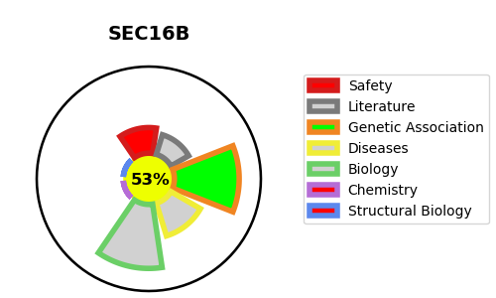
Gene_name | SEC16B | Tractable | Tractability_probability
Synonyms | KIAA1928, LZTR2, RGPR, SEC16S | True | 53.48
Target_id | Q96JE7 | In Training data set ?
Protein_class |  | No
Protein_class_desc
Species | Homo sapiens (Human).
Number_isoforms | 3

DISEASE |  | PATHWAYS
disease_id | disease_name | Reactome | KEGG
 |  | Asparagine N-linked glycosylation
 |  | COPII-mediated vesicle transport
 |  | ER to Golgi Anterograde Transport
 |  | Membrane Trafficking
 |  | Metabolism of proteins
 |  | Post-translational protein modification
 |  | Transport to the Golgi and subsequent modification
 |  | Vesicle-mediated transport

