General info
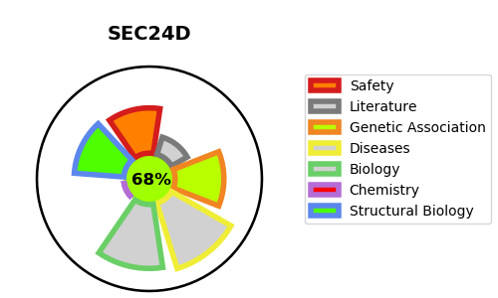
Gene_name | SEC24D | Tractable | Tractability_probability
Synonyms | KIAA0755 {ECO:0000312|EMBL:BAA34475.2} | True | 68.66
Target_id | O94855 | In Training data set ?
Protein_class |  | No
Protein_class_desc
Species | Homo sapiens (Human).
Number_isoforms | 2

DISEASE |  | PATHWAYS
disease_id | disease_name | Reactome | KEGG
OMIM:616294 | COLE-CARPENTER SYNDROME 2 | Adaptive Immune System
 |  | Antigen Presentation: Folding, assembly and peptide loading of class I MHC
 |  | Asparagine N-linked glycosylation
 |  | COPII-mediated vesicle transport
 |  | Cargo concentration in the ER
 |  | Class I MHC mediated antigen processing & presentation
 |  | ER to Golgi Anterograde Transport
 |  | Immune System
 |  | MHC class II antigen presentation
 |  | Membrane Trafficking
 |  | Metabolism
 |  | Metabolism of lipids
 |  | Metabolism of proteins
 |  | Metabolism of steroids
 |  | Post-translational protein modification
 |  | Regulation of cholesterol biosynthesis by SREBP (SREBF)
 |  | Transport to the Golgi and subsequent modification
 |  | Vesicle-mediated transport

