General info
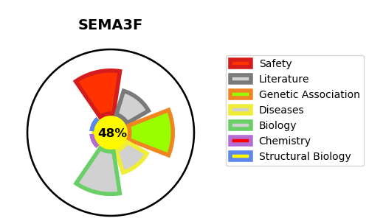
Gene_name | SEMA3F | Tractable | Tractability_probability
Synonyms | Not found | False | 48.89
Target_id | Q13275 | In Training data set ?
Protein_class |  | No
Protein_class_desc
Species | Homo sapiens (Human).
Number_isoforms | 2

DISEASE |  | PATHWAYS
disease_id | disease_name | Reactome | KEGG

