General info
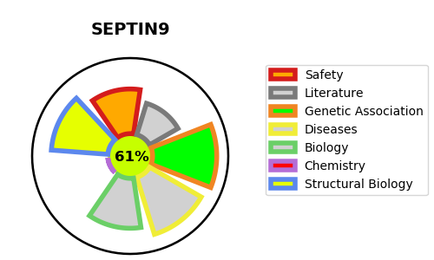
Gene_name | SEPTIN9 | Tractable | Tractability_probability
Synonyms | KIAA0991,MLL septin-like fusion protein,MLL septin-like fusion protein MSF-A,MSF,Ov/Br septin,Ovarian/Breast septin,SEPT9,SEPTIN9,Septin D1,Septin-9 | True | 61.31
Target_id | Q9UHD8 | In Training data set ?
Protein_class | Unclassified protein | No
Protein_class_desc | unclassified
Species | Homo sapiens (Human).
Number_isoforms | 8

DISEASE |  | PATHWAYS
disease_id | disease_name | Reactome | KEGG
OMIM:162100 | AMYOTROPHY, HEREDITARY NEURALGIC

