General info
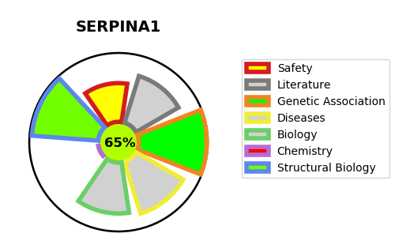
Gene_name | SERPINA1 | Tractable | Tractability_probability
Synonyms | AAT, PI | True | 65.2
Target_id | P01009 | In Training data set ?
Protein_class |  | No
Protein_class_desc
Species | Homo sapiens (Human).
Number_isoforms | 3

DISEASE |  | PATHWAYS
disease_id | disease_name | Reactome | KEGG
OMIM:613490 | ALPHA-1-ANTITRYPSIN DEFICIENCY | Asparagine N-linked glycosylation
 |  | COPII-mediated vesicle transport
 |  | Cargo concentration in the ER
 |  | ER to Golgi Anterograde Transport
 |  | Hemostasis
 |  | Immune System
 |  | Innate Immune System
 |  | Membrane Trafficking
 |  | Metabolism of proteins
 |  | Neutrophil degranulation
 |  | Platelet activation, signaling and aggregation
 |  | Platelet degranulation
 |  | Post-translational protein modification
 |  | Post-translational protein phosphorylation
 |  | Regulation of Insulin-like Growth Factor (IGF) transport and uptake by Insulin-like Growth Factor Binding Proteins (IGFBPs)
 |  | Response to elevated platelet cytosolic Ca2+
 |  | Transport to the Golgi and subsequent modification
 |  | Vesicle-mediated transport

