General info
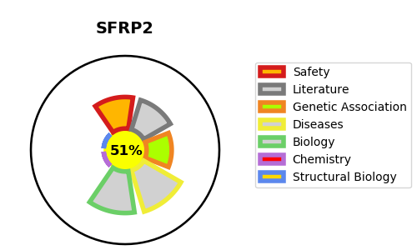
Gene_name | SFRP2 | Tractable | Tractability_probability
Synonyms | FRP2, SARP1 | True | 51.02
Target_id | Q96HF1 | In Training data set ?
Protein_class |  | No
Protein_class_desc
Species | Homo sapiens (Human).
Number_isoforms | 0

DISEASE |  | PATHWAYS
disease_id | disease_name | Reactome | KEGG
 |  | Negative regulation of TCF-dependent signaling by WNT ligand antagonists
 |  | Signal Transduction
 |  | Signaling by WNT
 |  | TCF dependent signaling in response to WNT

