General info
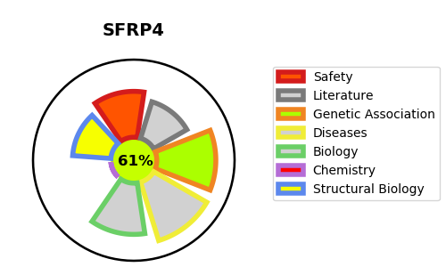
Gene_name | SFRP4 | Tractable | Tractability_probability
Synonyms | FRPHE | True | 61.47
Target_id | Q6FHJ7 | In Training data set ?
Protein_class |  | No
Protein_class_desc
Species | Homo sapiens (Human).
Number_isoforms | 0

DISEASE |  | PATHWAYS
disease_id | disease_name | Reactome | KEGG
OMIM:265900 | PYLE DISEASE

