General info
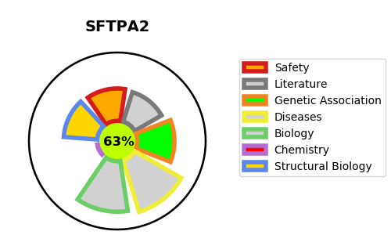
Gene_name | SFTPA2 | Tractable | Tractability_probability
Synonyms | COLEC5, PSAP, SFTP1, SFTPA, SFTPA2B | True | 63.15
Target_id | Q8IWL1 | In Training data set ?
Protein_class |  | No
Protein_class_desc
Species | Homo sapiens (Human).
Number_isoforms | 0

DISEASE |  | PATHWAYS
disease_id | disease_name | Reactome | KEGG
OMIM:178500 | PULMONARY FIBROSIS, IDIOPATHIC | Cell-Cell communication
 |  | Defective CSF2RA causes SMDP4
 |  | Defective CSF2RB causes SMDP5
 |  | Defective SFTPA2 causes IPF
 |  | Disease
 |  | Diseases associated with surfactant metabolism
 |  | Diseases of metabolism
 |  | Immune System
 |  | Innate Immune System
 |  | Metabolism of proteins
 |  | Regulation of TLR by endogenous ligand
 |  | Signal regulatory protein family interactions
 |  | Surfactant metabolism
 |  | Toll Like Receptor 2 (TLR2) Cascade
 |  | Toll Like Receptor 4 (TLR4) Cascade
 |  | Toll Like Receptor TLR1:TLR2 Cascade
 |  | Toll-like Receptor Cascades

