General info
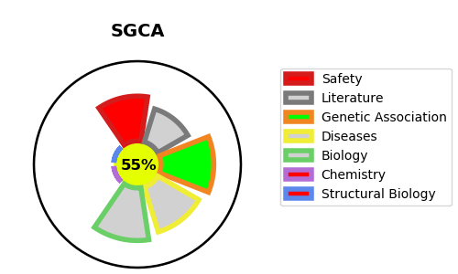
Gene_name | SGCA | Tractable | Tractability_probability
Synonyms | ADL, DAG2 | True | 55.31
Target_id | Q16586 | In Training data set ?
Protein_class |  | No
Protein_class_desc
Species | Homo sapiens (Human).
Number_isoforms | 2

DISEASE |  | PATHWAYS
disease_id | disease_name | Reactome | KEGG
OMIM:608099 | MUSCULAR DYSTROPHY, LIMB-GIRDLE, AUTOSOMAL RECESSIVE 3

