General info
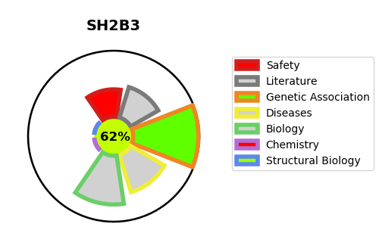
Gene_name | SH2B3 | Tractable | Tractability_probability
Synonyms | LNK | True | 62.09
Target_id | Q9UQQ2 | In Training data set ?
Protein_class |  | No
Protein_class_desc
Species | Homo sapiens (Human).
Number_isoforms | 0

DISEASE |  | PATHWAYS
disease_id | disease_name | Reactome | KEGG
OMIM:133100 | ERYTHROCYTOSIS, FAMILIAL, 1 | Factors involved in megakaryocyte development and platelet production
OMIM:187950 | THROMBOCYTHEMIA 1 | Hemostasis
OMIM:254450 | MYELOFIBROSIS | Regulation of KIT signaling
 |  | Signal Transduction
 |  | Signaling by Receptor Tyrosine Kinases
 |  | Signaling by SCF-KIT

