General info
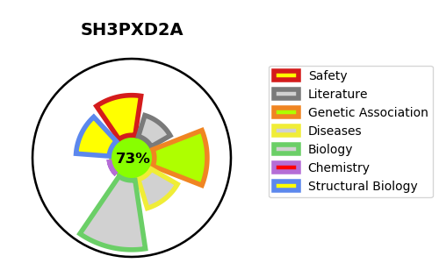
Gene_name | SH3PXD2A | Tractable | Tractability_probability
Synonyms | FISH, KIAA0418, SH3MD1, TKS5 | True | 73.43
Target_id | Q5TCZ1 | In Training data set ?
Protein_class |  | No
Protein_class_desc
Species | Homo sapiens (Human).
Number_isoforms | 3

DISEASE |  | PATHWAYS
disease_id | disease_name | Reactome | KEGG
 |  | Extracellular matrix organization
 |  | Invadopodia formation

