General info
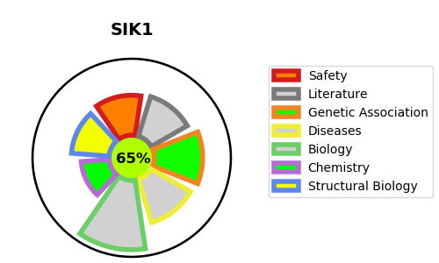
Gene_name | SIK1 | Tractable | Tractability_probability
Synonyms | 2.7.11.1,SIK,SIK-1,SIK1,SNF1LK,Salt-inducible kinase 1,Serine/threonine-protein kinase SIK1,Serine/threonine-protein kinase SNF1-like kinase 1,Serine/threonine-protein kinase SNF1LK | True | 65.83
Target_id | P57059 | In Training data set ?
Protein_class | CAMK protein kinase QIK subfamily | No
Protein_class_desc | enzyme -> kinase -> protein kinase -> camk -> camkl -> qik
Species | Homo sapiens (Human).
Number_isoforms | 0

DISEASE |  | PATHWAYS
disease_id | disease_name | Reactome | KEGG
OMIM:616341 | DEVELOPMENTAL AND EPILEPTIC ENCEPHALOPATHY 30 | Circadian Clock

