General info
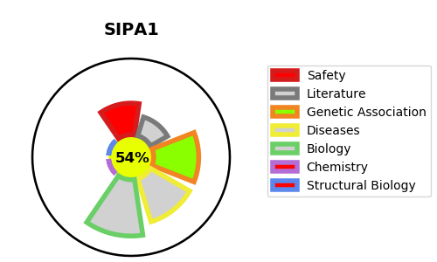
Gene_name | SIPA1 | Tractable | Tractability_probability
Synonyms | SPA1 | True | 54.75
Target_id | Q96FS4 | In Training data set ?
Protein_class |  | No
Protein_class_desc
Species | Homo sapiens (Human).
Number_isoforms | 0

DISEASE |  | PATHWAYS
disease_id | disease_name | Reactome | KEGG
 |  | Adaptive Immune System
 |  | Immune System
 |  | Rap1 signalling

