General info
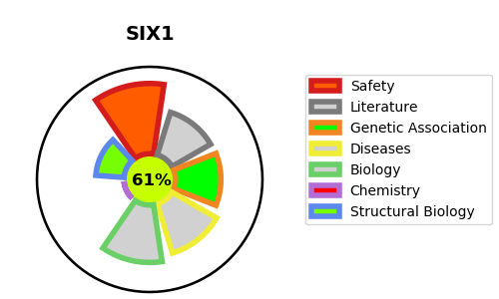
Gene_name | SIX1 | Tractable | Tractability_probability
Synonyms | Not found | True | 61.46
Target_id | Q15475 | In Training data set ?
Protein_class |  | No
Protein_class_desc
Species | Homo sapiens (Human).
Number_isoforms | 0

DISEASE |  | PATHWAYS
disease_id | disease_name | Reactome | KEGG
OMIM:113650 | BRANCHIOOTORENAL SYNDROME 1
OMIM:605192 | DEAFNESS, AUTOSOMAL DOMINANT 23
OMIM:608389 | BRANCHIOOTIC SYNDROME 3

