General info
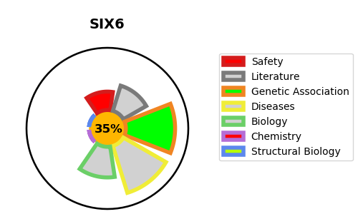
Gene_name | SIX6 | Tractable | Tractability_probability
Synonyms | OPTX2, SIX9 | False | 35.85
Target_id | O95475 | In Training data set ?
Protein_class |  | No
Protein_class_desc
Species | Homo sapiens (Human).
Number_isoforms | 0

DISEASE |  | PATHWAYS
disease_id | disease_name | Reactome | KEGG
OMIM:206900 | MICROPHTHALMIA, SYNDROMIC 3
OMIM:212550 | OPTIC DISC ANOMALIES WITH RETINAL AND/OR MACULAR DYSTROPHY

