General info
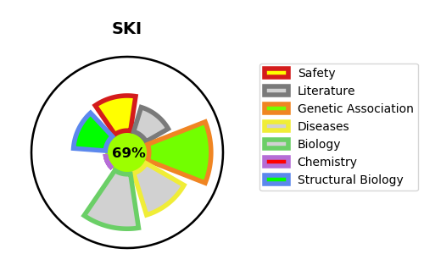
Gene_name | SKI | Tractable | Tractability_probability
Synonyms | Not found | True | 69.55
Target_id | P12755 | In Training data set ?
Protein_class |  | No
Protein_class_desc
Species | Homo sapiens (Human).
Number_isoforms | 0

DISEASE |  | PATHWAYS
disease_id | disease_name | Reactome | KEGG
OMIM:182212 | SHPRINTZEN-GOLDBERG CRANIOSYNOSTOSIS SYNDROME | Downregulation of SMAD2/3:SMAD4 transcriptional activity
 |  | Gene expression (Transcription)
 |  | Generic Transcription Pathway
 |  | RNA Polymerase II Transcription
 |  | Signal Transduction
 |  | Signaling by BMP
 |  | Signaling by TGF-beta Receptor Complex
 |  | Signaling by TGFB family members
 |  | Transcriptional activity of SMAD2/SMAD3:SMAD4 heterotrimer

