General info
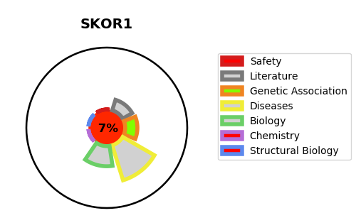
Gene_name | SKOR1 | Tractable | Tractability_probability
Synonyms | CORL1, FUSSEL15, LBXCOR1 | False | 7.73
Target_id | P84550 | In Training data set ?
Protein_class |  | No
Protein_class_desc
Species | Homo sapiens (Human).
Number_isoforms | 3

DISEASE |  | PATHWAYS
disease_id | disease_name | Reactome | KEGG

