General info
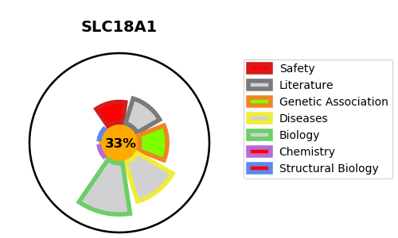
Gene_name | SLC18A1 | Tractable | Tractability_probability
Synonyms | Chromaffin granule amine transporter,SLC18A1,Solute carrier family 18 member 1,VAT1,VMAT1,Vesicular amine transporter 1 | False | 33.38
Target_id | P54219 | In Training data set ?
Protein_class | SLC18 family of vesicular amine transporters | No
Protein_class_desc | transporter -> electrochemical -> slc -> slc18
Species | Homo sapiens (Human).
Number_isoforms | 3

DISEASE |  | PATHWAYS
disease_id | disease_name | Reactome | KEGG
 |  | Na+/Cl- dependent neurotransmitter transporters
 |  | SLC-mediated transmembrane transport
 |  | Transport of bile salts and organic acids, metal ions and amine compounds
 |  | Transport of small molecules

