General info
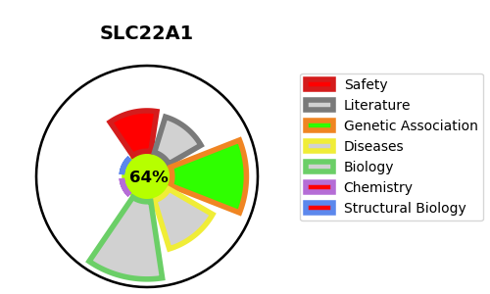
Gene_name | SLC22A1 | Tractable | Tractability_probability
Synonyms | OCT1,Organic cation transporter 1,SLC22A1,Solute carrier family 22 member 1,hOCT1 | True | 64.45
Target_id | O15245 | In Training data set ?
Protein_class | SLC22 family of organic cation and anion transporters | No
Protein_class_desc | transporter -> electrochemical -> slc -> slc22
Species | Homo sapiens (Human).
Number_isoforms | 4

DISEASE |  | PATHWAYS
disease_id | disease_name | Reactome | KEGG
 |  | Abacavir transmembrane transport
 |  | Abacavir transport and metabolism
 |  | Metabolism
 |  | Na+/Cl- dependent neurotransmitter transporters
 |  | Neuronal System
 |  | Neurotransmitter clearance
 |  | Neurotransmitter release cycle
 |  | Norepinephrine Neurotransmitter Release Cycle
 |  | Organic cation transport
 |  | Organic cation/anion/zwitterion transport
 |  | SLC-mediated transmembrane transport
 |  | Transmission across Chemical Synapses
 |  | Transport of bile salts and organic acids, metal ions and amine compounds
 |  | Transport of small molecules

