General info
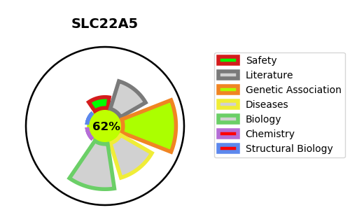
Gene_name | SLC22A5 | Tractable | Tractability_probability
Synonyms | High-affinity sodium-dependent carnitine cotransporter,OCTN2,Organic cation/carnitine transporter 2,SLC22A5,Solute carrier family 22 member 5 | True | 62.71
Target_id | O76082 | In Training data set ?
Protein_class | SLC22 family of organic cation and anion transporters | No
Protein_class_desc | transporter -> electrochemical -> slc -> slc22
Species | Homo sapiens (Human).
Number_isoforms | 3

DISEASE |  | PATHWAYS
disease_id | disease_name | Reactome | KEGG
OMIM:212140 | CARNITINE DEFICIENCY, SYSTEMIC PRIMARY | Carnitine metabolism
 |  | Defective SLC22A5 causes systemic primary carnitine deficiency (CDSP)
 |  | Disease
 |  | Disorders of transmembrane transporters
 |  | Fatty acid metabolism
 |  | Metabolism
 |  | Metabolism of lipids
 |  | Organic cation transport
 |  | Organic cation/anion/zwitterion transport
 |  | SLC transporter disorders
 |  | SLC-mediated transmembrane transport
 |  | Transport of bile salts and organic acids, metal ions and amine compounds
 |  | Transport of small molecules

