General info
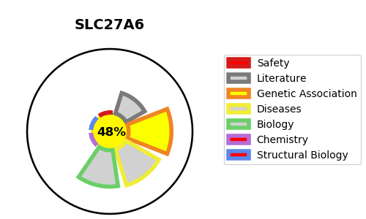
Gene_name | SLC27A6 | Tractable | Tractability_probability
Synonyms | ACSVL2, FACVL2, FATP6 | False | 48.78
Target_id | Q9Y2P4 | In Training data set ?
Protein_class |  | No
Protein_class_desc
Species | Homo sapiens (Human).
Number_isoforms | 0

DISEASE |  | PATHWAYS
disease_id | disease_name | Reactome | KEGG
 |  | SLC-mediated transmembrane transport
 |  | Transport of fatty acids
 |  | Transport of small molecules
 |  | Transport of vitamins, nucleosides, and related molecules

