General info
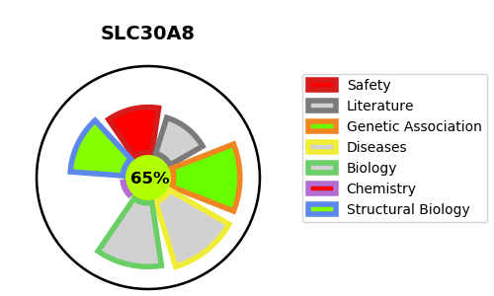
Gene_name | SLC30A8 | Tractable | Tractability_probability
Synonyms | ZNT8 | True | 65.14
Target_id | Q8IWU4 | In Training data set ?
Protein_class |  | No
Protein_class_desc
Species | Homo sapiens (Human).
Number_isoforms | 2

DISEASE |  | PATHWAYS
disease_id | disease_name | Reactome | KEGG
OMIM:125853 | TYPE 2 DIABETES MELLITUS | Insulin processing
 |  | Metabolism of proteins
 |  | Metal ion SLC transporters
 |  | Peptide hormone metabolism
 |  | SLC-mediated transmembrane transport
 |  | Transport of bile salts and organic acids, metal ions and amine compounds
 |  | Transport of small molecules
 |  | Zinc efflux and compartmentalization by the SLC30 family
 |  | Zinc transporters

