General info
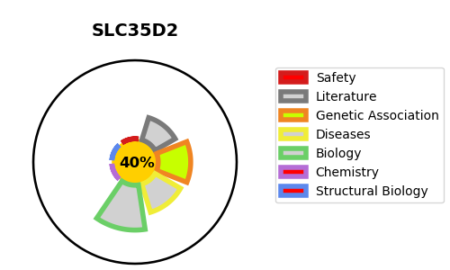
Gene_name | SLC35D2 | Tractable | Tractability_probability
Synonyms | HFRC, UGTREL8 | False | 40.76
Target_id | Q76EJ3 | In Training data set ?
Protein_class |  | No
Protein_class_desc
Species | Homo sapiens (Human).
Number_isoforms | 2

DISEASE |  | PATHWAYS
disease_id | disease_name | Reactome | KEGG
 |  | Glycosaminoglycan metabolism
 |  | HS-GAG biosynthesis
 |  | Heparan sulfate/heparin (HS-GAG) metabolism
 |  | Keratan sulfate biosynthesis
 |  | Keratan sulfate/keratin metabolism
 |  | Metabolism
 |  | Metabolism of carbohydrates
 |  | SLC-mediated transmembrane transport
 |  | Transport of nucleotide sugars
 |  | Transport of small molecules
 |  | Transport of vitamins, nucleosides, and related molecules

