General info
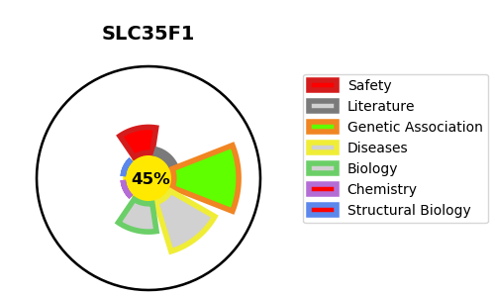
Gene_name | SLC35F1 | Tractable | Tractability_probability
Synonyms | C6orf169 | False | 45.88
Target_id | Q5T1Q4 | In Training data set ?
Protein_class |  | Yes
Protein_class_desc
Species | Homo sapiens (Human).
Number_isoforms | 2

DISEASE |  | PATHWAYS
disease_id | disease_name | Reactome | KEGG

