General info
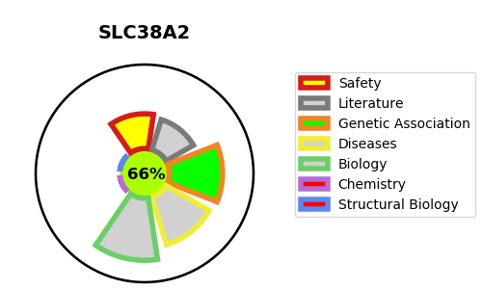
Gene_name | SLC38A2 | Tractable | Tractability_probability
Synonyms | ATA2, KIAA1382, SAT2, SNAT2 | True | 66.52
Target_id | Q96QD8 | In Training data set ?
Protein_class |  | No
Protein_class_desc
Species | Homo sapiens (Human).
Number_isoforms | 2

DISEASE |  | PATHWAYS
disease_id | disease_name | Reactome | KEGG
 |  | Amino acid transport across the plasma membrane
 |  | Glutamate Neurotransmitter Release Cycle
 |  | Neuronal System
 |  | Neurotransmitter release cycle
 |  | SLC-mediated transmembrane transport
 |  | Transmission across Chemical Synapses
 |  | Transport of inorganic cations/anions and amino acids/oligopeptides
 |  | Transport of small molecules

