General info
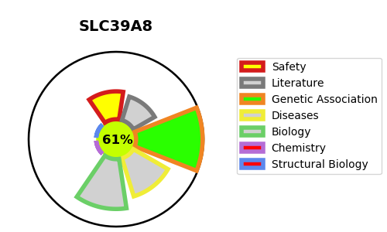
Gene_name | SLC39A8 | Tractable | Tractability_probability
Synonyms | BIGM103 {ECO:0000303|PubMed:12504855}, ZIP8 {ECO:0000303|PubMed:18390834} | True | 61.68
Target_id | Q9C0K1 | In Training data set ?
Protein_class |  | No
Protein_class_desc
Species | Homo sapiens (Human).
Number_isoforms | 3

DISEASE |  | PATHWAYS
disease_id | disease_name | Reactome | KEGG
OMIM:616721 | CONGENITAL DISORDER OF GLYCOSYLATION, TYPE IIn | Metal ion SLC transporters
 |  | SLC-mediated transmembrane transport
 |  | Transport of bile salts and organic acids, metal ions and amine compounds
 |  | Transport of small molecules
 |  | Zinc influx into cells by the SLC39 gene family
 |  | Zinc transporters

