General info
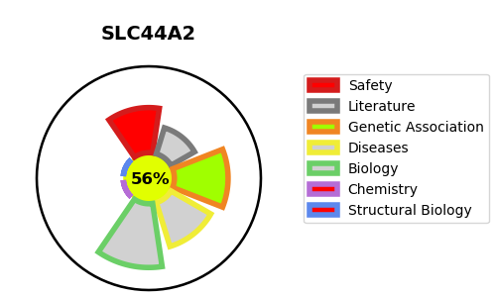
Gene_name | SLC44A2 | Tractable | Tractability_probability
Synonyms | CTL2 | True | 56.06
Target_id | Q8IWA5 | In Training data set ?
Protein_class |  | No
Protein_class_desc
Species | Homo sapiens (Human).
Number_isoforms | 3

DISEASE |  | PATHWAYS
disease_id | disease_name | Reactome | KEGG
 |  | Glycerophospholipid biosynthesis
 |  | Immune System
 |  | Innate Immune System
 |  | Metabolism
 |  | Metabolism of lipids
 |  | Neutrophil degranulation
 |  | Phospholipid metabolism
 |  | SLC-mediated transmembrane transport
 |  | Synthesis of PC
 |  | Transport of bile salts and organic acids, metal ions and amine compounds
 |  | Transport of small molecules

