General info
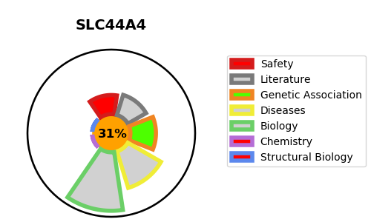
Gene_name | SLC44A4 | Tractable | Tractability_probability
Synonyms | CTL4,Choline transporter-like protein 4,NG22,SLC44A4,Solute carrier family 44 member 4,Thiamine pyrophosphate transporter 1,hTPPT1 | False | 31.74
Target_id | Q53GD3 | In Training data set ?
Protein_class | Transporter | No
Protein_class_desc | transporter
Species | Homo sapiens (Human).
Number_isoforms | 4

DISEASE |  | PATHWAYS
disease_id | disease_name | Reactome | KEGG
OMIM:617606 | DEAFNESS, AUTOSOMAL DOMINANT 72 | Glycerophospholipid biosynthesis
 |  | Metabolism
 |  | Metabolism of lipids
 |  | Phospholipid metabolism
 |  | SLC-mediated transmembrane transport
 |  | Synthesis of PC
 |  | Transport of bile salts and organic acids, metal ions and amine compounds
 |  | Transport of small molecules

