General info
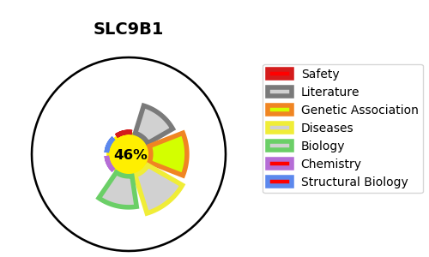
Gene_name | SLC9B1 | Tractable | Tractability_probability
Synonyms | NHA1 {ECO:0000312|HGNC:HGNC:24244}, NHEDC1 {ECO:0000303|PubMed:16850186} | False | 46.93
Target_id | Q4ZJI4 | In Training data set ?
Protein_class |  | No
Protein_class_desc
Species | Homo sapiens (Human).
Number_isoforms | 4

DISEASE |  | PATHWAYS
disease_id | disease_name | Reactome | KEGG
 |  | Ion channel transport
 |  | Stimuli-sensing channels
 |  | Transport of small molecules

