General info
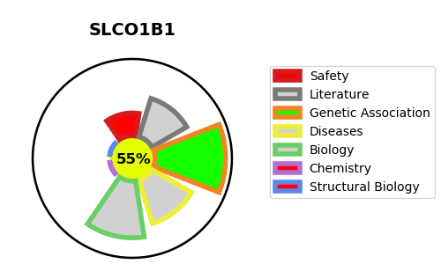
Gene_name | SLCO1B1 | Tractable | Tractability_probability
Synonyms | LST-1,LST1,Liver-specific organic anion transporter 1,OATP-2,OATP-C,OATP1B1,OATP2,OATPC,SLC21A6,SLCO1B1,Sodium-independent organic anion-transporting polypeptide 2,Solute carrier family 21 member 6,Solute carrier organic anion transporter family member 1B1 | True | 55.56
Target_id | Q9Y6L6 | In Training data set ?
Protein_class | SLC21/SLCO family of organic anion transporting polypeptides | No
Protein_class_desc | transporter -> electrochemical -> slc -> slc21
Species | Homo sapiens (Human).
Number_isoforms | 0

DISEASE |  | PATHWAYS
disease_id | disease_name | Reactome | KEGG
OMIM:237450 | HYPERBILIRUBINEMIA, ROTOR TYPE | Bile acid and bile salt metabolism
 |  | Defective SLCO1B1 causes hyperbilirubinemia, Rotor type (HBLRR)
 |  | Disease
 |  | Disorders of transmembrane transporters
 |  | Heme degradation
 |  | Metabolism
 |  | Metabolism of lipids
 |  | Metabolism of porphyrins
 |  | Metabolism of steroids
 |  | Recycling of bile acids and salts
 |  | SLC transporter disorders
 |  | SLC-mediated transmembrane transport
 |  | Transport of organic anions
 |  | Transport of small molecules
 |  | Transport of vitamins, nucleosides, and related molecules

