General info
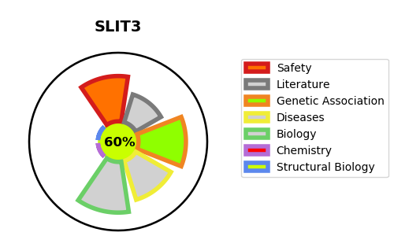
Gene_name | SLIT3 | Tractable | Tractability_probability
Synonyms | KIAA0814, MEGF5, SLIL2 | True | 60.77
Target_id | O75094 | In Training data set ?
Protein_class |  | No
Protein_class_desc
Species | Homo sapiens (Human).
Number_isoforms | 4

DISEASE |  | PATHWAYS
disease_id | disease_name | Reactome | KEGG
 |  | Axon guidance
 |  | Developmental Biology
 |  | Nervous system development
 |  | Netrin-1 signaling
 |  | Regulation of commissural axon pathfinding by SLIT and ROBO
 |  | Signaling by ROBO receptors

