General info
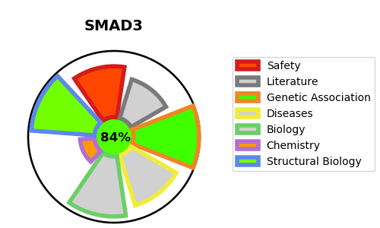
Gene_name | SMAD3 | Tractable | Tractability_probability
Synonyms | JV15-2,MAD homolog 3,MADH3,Mad3,Mothers against DPP homolog 3,Mothers against decapentaplegic homolog 3,SMAD 3,SMAD family member 3,SMAD3,Smad3,hMAD-3,hSMAD3 | True | 84.3
Target_id | P84022 | In Training data set ?
Protein_class | Unclassified protein | Yes
Protein_class_desc | unclassified
Species | Homo sapiens (Human).
Number_isoforms | 4

DISEASE |  | PATHWAYS
disease_id | disease_name | Reactome | KEGG
OMIM:613795 | LOEYS-DIETZ SYNDROME 3 | Cytokine Signaling in Immune system
 |  | Deubiquitination
 |  | Developmental Biology
 |  | Disease
 |  | Diseases of signal transduction by growth factor receptors and second messengers
 |  | Downregulation of SMAD2/3:SMAD4 transcriptional activity
 |  | Downregulation of TGF-beta receptor signaling
 |  | FOXO-mediated transcription
 |  | FOXO-mediated transcription of cell cycle genes
 |  | FOXO-mediated transcription of oxidative stress, metabolic and neuronal genes
 |  | Gene expression (Transcription)
 |  | Generic Transcription Pathway
 |  | Immune System
 |  | Interleukin-1 family signaling
 |  | Interleukin-37 signaling
 |  | Loss of Function of SMAD2/3 in Cancer
 |  | Loss of Function of SMAD4 in Cancer
 |  | Loss of Function of TGFBR1 in Cancer
 |  | Metabolism of proteins
 |  | NOTCH4 Intracellular Domain Regulates Transcription
 |  | Post-translational protein modification
 |  | RNA Polymerase II Transcription
 |  | RUNX3 regulates BCL2L11 (BIM) transcription
 |  | RUNX3 regulates CDKN1A transcription
 |  | SMAD2/3 MH2 Domain Mutants in Cancer
 |  | SMAD2/3 Phosphorylation Motif Mutants in Cancer
 |  | SMAD2/SMAD3:SMAD4 heterotrimer regulates transcription
 |  | SMAD4 MH2 Domain Mutants in Cancer
 |  | Signal Transduction
 |  | Signaling by Activin
 |  | Signaling by Interleukins
 |  | Signaling by NODAL
 |  | Signaling by NOTCH
 |  | Signaling by NOTCH4
 |  | Signaling by TGF-beta Receptor Complex
 |  | Signaling by TGF-beta Receptor Complex in Cancer
 |  | Signaling by TGFB family members
 |  | TGF-beta receptor signaling activates SMADs
 |  | TGFBR1 KD Mutants in Cancer
 |  | Transcriptional activity of SMAD2/SMAD3:SMAD4 heterotrimer
 |  | Transcriptional regulation by RUNX3
 |  | Ub-specific processing proteases

