General info
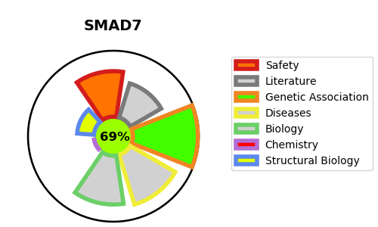
Gene_name | SMAD7 | Tractable | Tractability_probability
Synonyms | MADH7, MADH8 | True | 69.43
Target_id | O15105 | In Training data set ?
Protein_class |  | No
Protein_class_desc
Species | Homo sapiens (Human).
Number_isoforms | 3

DISEASE |  | PATHWAYS
disease_id | disease_name | Reactome | KEGG
OMIM:612229 | COLORECTAL CANCER, SUSCEPTIBILITY TO, 3 | Deubiquitination
 |  | Downregulation of TGF-beta receptor signaling
 |  | Gene expression (Transcription)
 |  | Generic Transcription Pathway
 |  | Metabolism of proteins
 |  | Post-translational protein modification
 |  | RNA Polymerase II Transcription
 |  | SMAD2/SMAD3:SMAD4 heterotrimer regulates transcription
 |  | Signal Transduction
 |  | Signaling by BMP
 |  | Signaling by TGF-beta Receptor Complex
 |  | Signaling by TGFB family members
 |  | TGF-beta receptor signaling activates SMADs
 |  | Transcriptional activity of SMAD2/SMAD3:SMAD4 heterotrimer
 |  | UCH proteinases
 |  | Ub-specific processing proteases

