General info
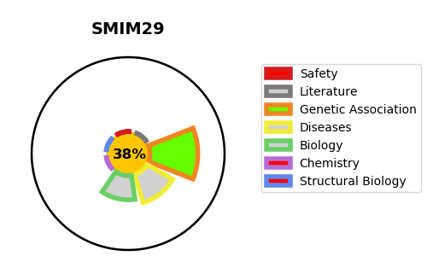
Gene_name | SMIM29 | Tractable | Tractability_probability
Synonyms | C6orf1, LBH {ECO:0000303|PubMed:10036196} | False | 38.93
Target_id | Q86T20 | In Training data set ?
Protein_class |  | No
Protein_class_desc
Species | Homo sapiens (Human).
Number_isoforms | 2

DISEASE |  | PATHWAYS
disease_id | disease_name | Reactome | KEGG

