General info
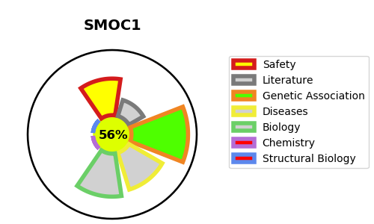
Gene_name | SMOC1 | Tractable | Tractability_probability
Synonyms | Not found | True | 56.8
Target_id | Q9H4F8 | In Training data set ?
Protein_class |  | No
Protein_class_desc
Species | Homo sapiens (Human).
Number_isoforms | 2

DISEASE |  | PATHWAYS
disease_id | disease_name | Reactome | KEGG
OMIM:206920 | MICROPHTHALMIA WITH LIMB ANOMALIES

