General info
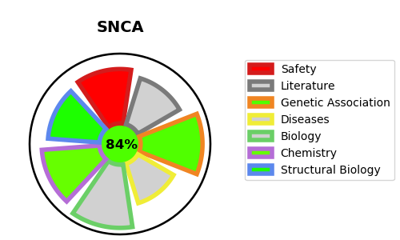
Gene_name | SNCA | Tractable | Tractability_probability
Synonyms | Alpha-synuclein,NACP,Non-A beta component of AD amyloid,Non-A4 component of amyloid precursor,PARK1,SNCA | True | 84.95
Target_id | P37840 | In Training data set ?
Protein_class | Unclassified protein | No
Protein_class_desc | unclassified
Species | Homo sapiens (Human).
Number_isoforms | 3

DISEASE |  | PATHWAYS
disease_id | disease_name | Reactome | KEGG
OMIM:127750 | DEMENTIA, LEWY BODY | Amyloid fiber formation
OMIM:168601 | PARKINSON DISEASE 1, AUTOSOMAL DOMINANT | Metabolism of proteins
OMIM:605543 | PARKINSON DISEASE 4, AUTOSOMAL DOMINANT

