General info
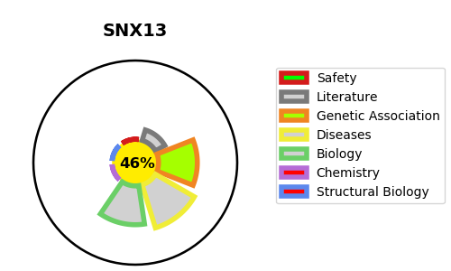
Gene_name | SNX13 | Tractable | Tractability_probability
Synonyms | KIAA0713 | False | 46.34
Target_id | Q9Y5W8 | In Training data set ?
Protein_class |  | No
Protein_class_desc
Species | Homo sapiens (Human).
Number_isoforms | 2

DISEASE |  | PATHWAYS
disease_id | disease_name | Reactome | KEGG

